KPI
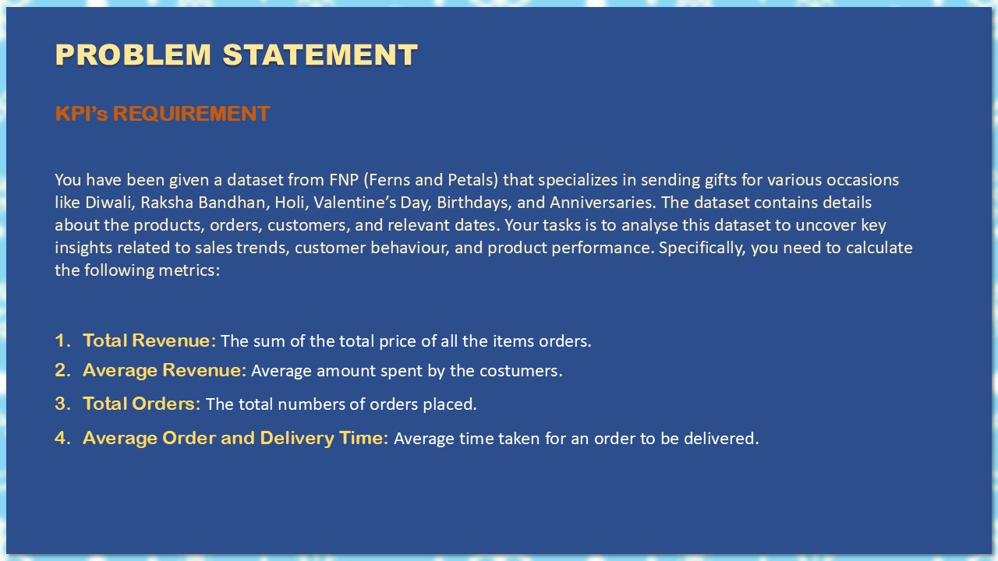

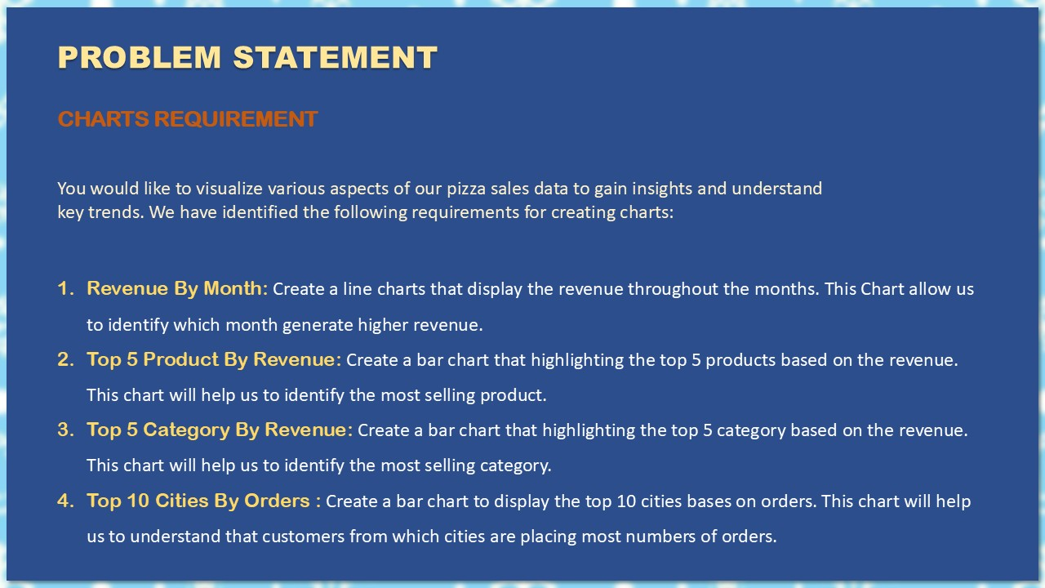

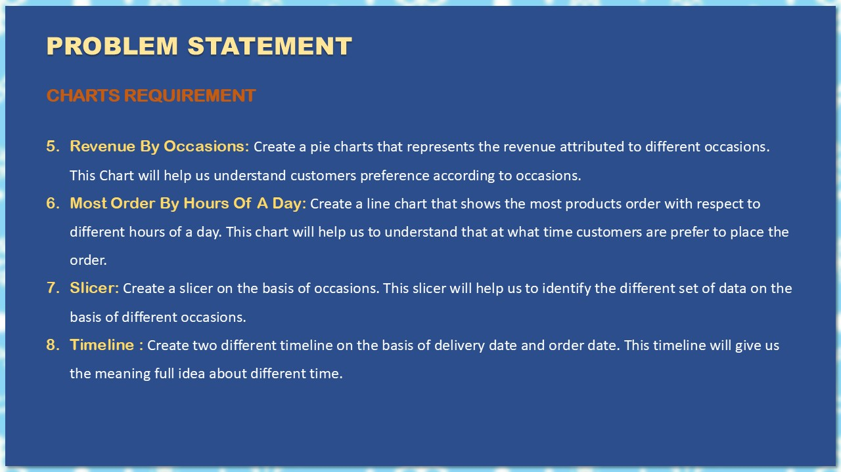

FNP Sale Data Analysis Sheet
 |  | Avg. Customer's Spent
Total Revenue |  | Average of Revenue
₹ 3,520,984 |  | ₹ 3,521

Average of order and delivery Time |  | Total Orders
5.53 |  | 1000

Revenue by Months
Row Labels | Sum of Revenue
January | ₹ 95,468.00
February | ₹ 704,509.00
March | ₹ 511,823.00
April | ₹ 140,393.00
May | ₹ 150,346.00
June | ₹ 157,913.00
July | ₹ 135,826.00
August | ₹ 737,389.00
September | ₹ 136,938.00
October | ₹ 151,619.00
November | ₹ 449,169.00
December | ₹ 149,591.00
Grand Total | ₹ 3,520,984.00

Top 5 Product By Revenue
Row Labels | Sum of Revenue
Magnam Set | ₹ 121,905.00
Quia Gift | ₹ 114,476.00
Dolores Gift | ₹ 106,624.00
Harum Pack | ₹ 101,556.00
Deserunt Box | ₹ 97,665.00
Grand Total | ₹ 542,226.00

Top 5 Category By Revenue
Row Labels | Sum of Revenue
Colors | ₹ 1,005,645.00
Soft Toys | ₹ 740,831.00
Sweets | ₹ 733,842.00
Cake | ₹ 329,862.00
Raksha Bandhan | ₹ 297,372.00
Grand Total | ₹ 3,107,552.00

Top 10 Cities By Orders
Row Labels | Count of Order_ID
Imphal | 29
Dhanbad | 28
Kavali | 27
Haridwar | 24
Bidhannagar | 21
Dibrugarh | 21
Guntakal | 20
North Dumdum | 19
Bilaspur | 18
Bhatpara | 18
Grand Total | 225

Order Quantity vs Delivery Time
0.0034781737193

Revenue By Occasions
Row Labels | Sum of Revenue
All Occasions | ₹ 586,176.00
Anniversary | ₹ 674,634.00
Birthday | ₹ 408,194.00
Diwali | ₹ 313,783.00
Holi | ₹ 574,682.00
Raksha Bandhan | ₹ 631,585.00
Valentine's Day | ₹ 331,930.00
Grand Total | ₹ 3,520,984.00

Row Labels
Harum Pack
Deserunt Box
Dolores Gift
Magnam Set
Quia Gift
Grand Total

Most Ordered by Hours of a Day
Row Labels | Count of Order_ID
0 | 33
1 | 39
2 | 42
3 | 39
4 | 29
5 | 43
6 | 45
7 | 51
8 | 34
9 | 49
10 | 29
11 | 35
12 | 43
13 | 39
14 | 42
15 | 47
16 | 38
17 | 43
18 | 48
19 | 53
20 | 47
21 | 48
22 | 40
23 | 44
Grand Total | 1000

Dashoard


Sale Analysis
Total Revenue
Avg. Revenue
Total Orders
Avg. Order & Delevery Time

₹ 35,20,984
₹ 3,521
1000
5.53

Revenue By Months
Top 5 Product By Revenue
Top 5 Category By Revenue

 | Total
January | ₹ 95,468.00
February | ₹ 704,509.00
March | ₹ 511,823.00
April | ₹ 140,393.00
May | ₹ 150,346.00
June | ₹ 157,913.00
July | ₹ 135,826.00
August | ₹ 737,389.00
September | ₹ 136,938.00
October | ₹ 151,619.00
November | ₹ 449,169.00
December | ₹ 149,591.00
 | Total
Magnam Set | ₹ 121,905.00
Quia Gift | ₹ 114,476.00
Dolores Gift | ₹ 106,624.00
Harum Pack | ₹ 101,556.00
Deserunt Box | ₹ 97,665.00
 | Total
Colors | ₹ 1,005,645.00
Soft Toys | ₹ 740,831.00
Sweets | ₹ 733,842.00
Cake | ₹ 329,862.00
Raksha Bandhan | ₹ 297,372.00

Top 10 Cities By Orders
Revenue By Occasions
Most Orders By Hours Of A Day

 | Total
Imphal | 29
Dhanbad | 28
Kavali | 27
Haridwar | 24
Bidhannagar | 21
Dibrugarh | 21
Guntakal | 20
North Dumdum | 19
Bilaspur | 18
Bhatpara | 18
 | Total
0 | 33
1 | 39
2 | 42
3 | 39
4 | 29
5 | 43
6 | 45
7 | 51
8 | 34
9 | 49
10 | 29
11 | 35
12 | 43
13 | 39
14 | 42
15 | 47
16 | 38
17 | 43
18 | 48
19 | 53
20 | 47
21 | 48
22 | 40
23 | 44
 | Total
All Occasions | ₹ 586,176.00
Anniversary | ₹ 674,634.00
Birthday | ₹ 408,194.00
Diwali | ₹ 313,783.00
Holi | ₹ 574,682.00
Raksha Bandhan | ₹ 631,585.00
Valentine's Day | ₹ 331,930.00

